1. Pre Processing
Sl. No. | Title | Actions | Summary | Charts
1 | Pre processing | Load Data
 |  | Check for null values and dtypes | Null values 1. Sold_premium (missing 6876) - Which has only values where we won the order. So, it should match with the no. of values in the 1s of Sale_flag --> Check that with query. 2. Purchase_Price (missing 1 value) 3. plan_count, plansactive_lastyear_count and planscancelled_lastyear_count (missing 41) 4. claims_count and claim_amount (missing 1149) Data types 1. offerdate and purchase_date --> change it to datetime 2. age --> change it to int32 3. plan_count, plansactive_lastyear_count and planscancelled_lastyear_count --> change it to int32
1.1 | Handling data types | changing the dates (offerdate and purchase_date) to datetime
 |  | changing the age from object to int32
 |  | changing the counts (plan_count, plansactive_lastyear_count, planscancelled_lastyear_count and claims_count) to Int32
 |  | Statistical summary of numeric columns
1.2 | Handling Missing Values | identify missing values and its percentage on the full data
 |  | Address the sold_premium (77% missing) | The missing values in sold_premium correspond to orders that were not won, where sale_flag is 0. We ran a query between sale_flag and sold_premium, and everything matches as expected. The missing values in sold_premium represent lost orders, and these can either remain as NaNs or be replaced with 0 to indicate no sale.
 |  | Address missing values in plan_counts, plansactive_lastyear_count, planscancelled_lastyear_count (4.5% missing) | from correlation chart and by visually seeing and playing around with filters in the excel, I found that the missing values for the count are zero. # plan_count: ## The plan_flag being zero indicates that there are no active plans, and thus, all the corresponding plan_count values should logically be zero. # plansactive_lastyear_count & planscancelled_lastyear_count: ##When filtering the data for rows where plan_flag, claims_count, and claim_amount are all zero, we get 6,503 rows. Among these, 6,364 rows have plansactive_lastyear_count and planscancelled_lastyear_count as zero, and only 98 rows have values between 1 and 12 (which represents just 1.5% of the total). Given this small proportion and the fact that 75% of the values are zero, it makes sense to impute the 41 missing values for these columns as zero
 |  | missing value - purchase_price ( only one value) | Filtering Attempts: Itemname 24 and Brandname 123: After filtering for itemname 24 and brandname 123, we found that this particular item from the brand was sold only once, which limits further analysis based on this combination. Base Rate and Offered Premium: Next, we filtered by the base_rate and offered_premium, which are closely related to the purchase_price. Upon inspection, for rows where itemcategoryname_enc is 24 across all four records, we decided to take the average purchase price for that group as a representative value.
 |  | claims_count and amount (13% missing) | Chart Insights: From the chart, it’s evident how critical it is to address the missing values in claims_count, as 1+ claims account for 8.89% of the data, while the missing values represent 12.96%. This disparity indicates that simply using a median or mean imputation could distort the dataset. Imputation Approach: After exploring the data visually in Excel and applying various filters, we found that grouping by plan_flag and taking the median within each group should be an effective imputation strategy. This method will help preserve the variable's distribution without introducing too much bias. If needed, a more sophisticated model-based imputation could be explored to ensure the missing values are filled in a way that better reflects underlying patterns in the data. | 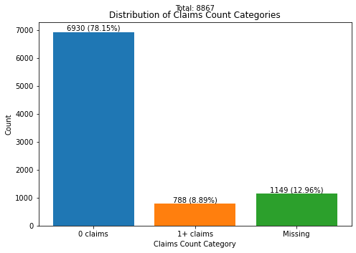 | 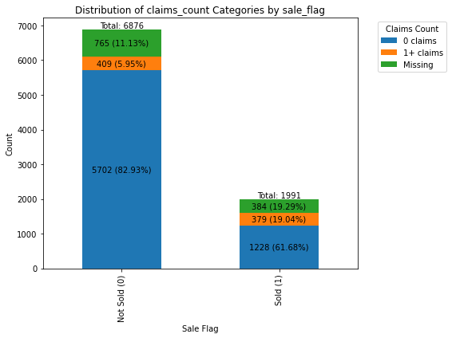
1.3 | Handling duplicates | there are 2 dupilcate rows | checked and deleted

2.a EDA
Sl. No. | Title | Actions | Summary | Charts
2.a | EDA - a) Explore the dataset and conduct any EDA that you feel will help you understand the data. | describe all the numerical variables (describe()) | # Study the count, mean, std, min, 25%, 50%, 75% and max for all the numeric variables
 |  | Distribution of numeric variables | # from this violin plots we understand the distribution, outliers of each and every numeric values. Visual insights from the violin plot: # Maximum no. of offerd_premium is around 50.00, second highest peak at 77.00 and followed by 37.00 # Age is from -37 to 1200. # claim_amount is mostly 0 and there are outliers like 10,000 pounds which was cross verified with the claim_counts which is having max 30 claims for last year. So its valid data, left it as such. # price_diff is from -30% to +30% with peak around 0. # base_rate - the peak is around 47.00 pounds and followed by second peak 65.00 pounds. | 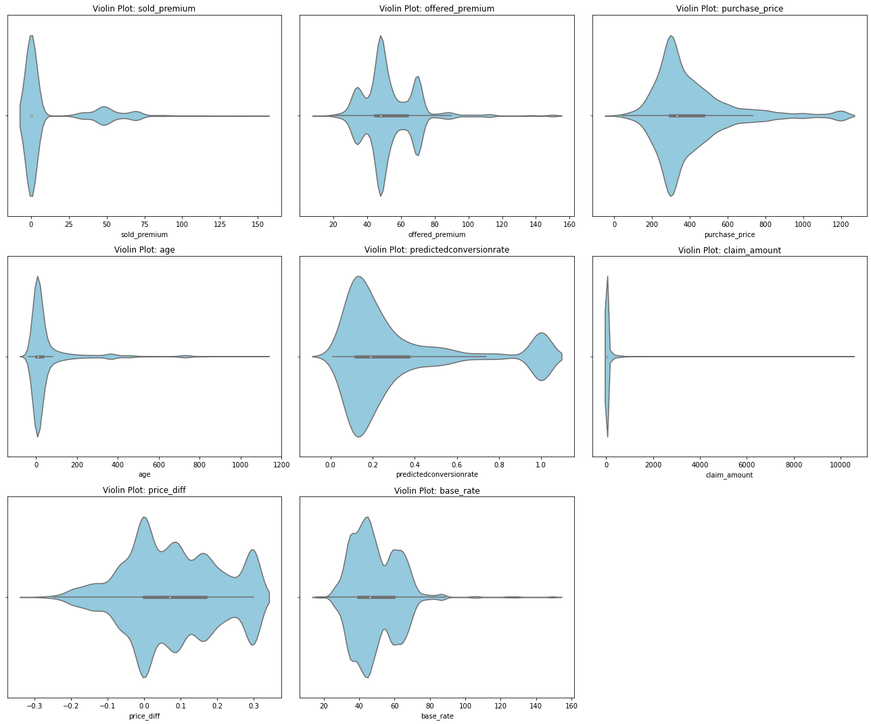
 |  | Correlation Analysis for continuous variables | understood relationship between each and every continuous variable. Key insight: # offered_premium is having 0.34 correlation with purchase_price # predictedconversionrate is 0.13 correlated with claim_amount and 0.2 with age # the other highly corelated values are because of logical derivations from one another (say, offered_premium * price_diff = offered premium) | 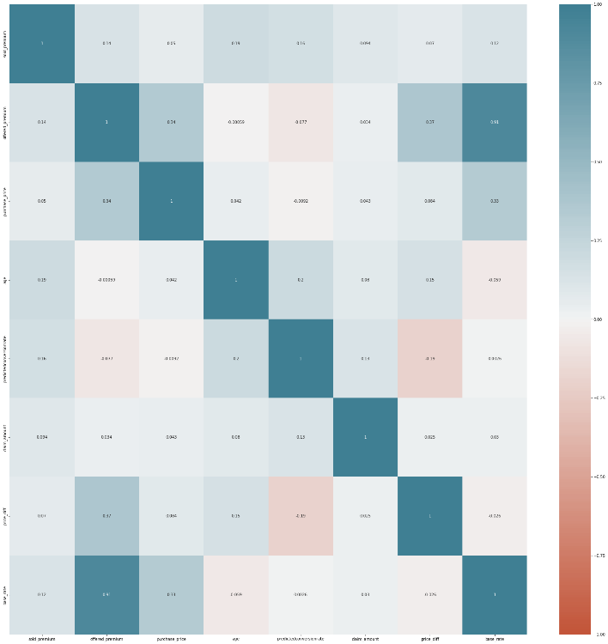
 |  | Distribution of categorical and count variables | Understood the distribution of categorical and count variables in the data. Key insight: # pricing_point distribution is (ASIS is13%, @23 is 43%, @22 is 44%) # sale_flag distribution is sold - 22.5% and Not sold - 77.5% # claim_count - the highest value is 30 and there are few higher values which was investigated for outliers and comparing with respective claim amounts it seems to be geniune claims by the customer, which is a threat to the business. Need to be addressed. |  | 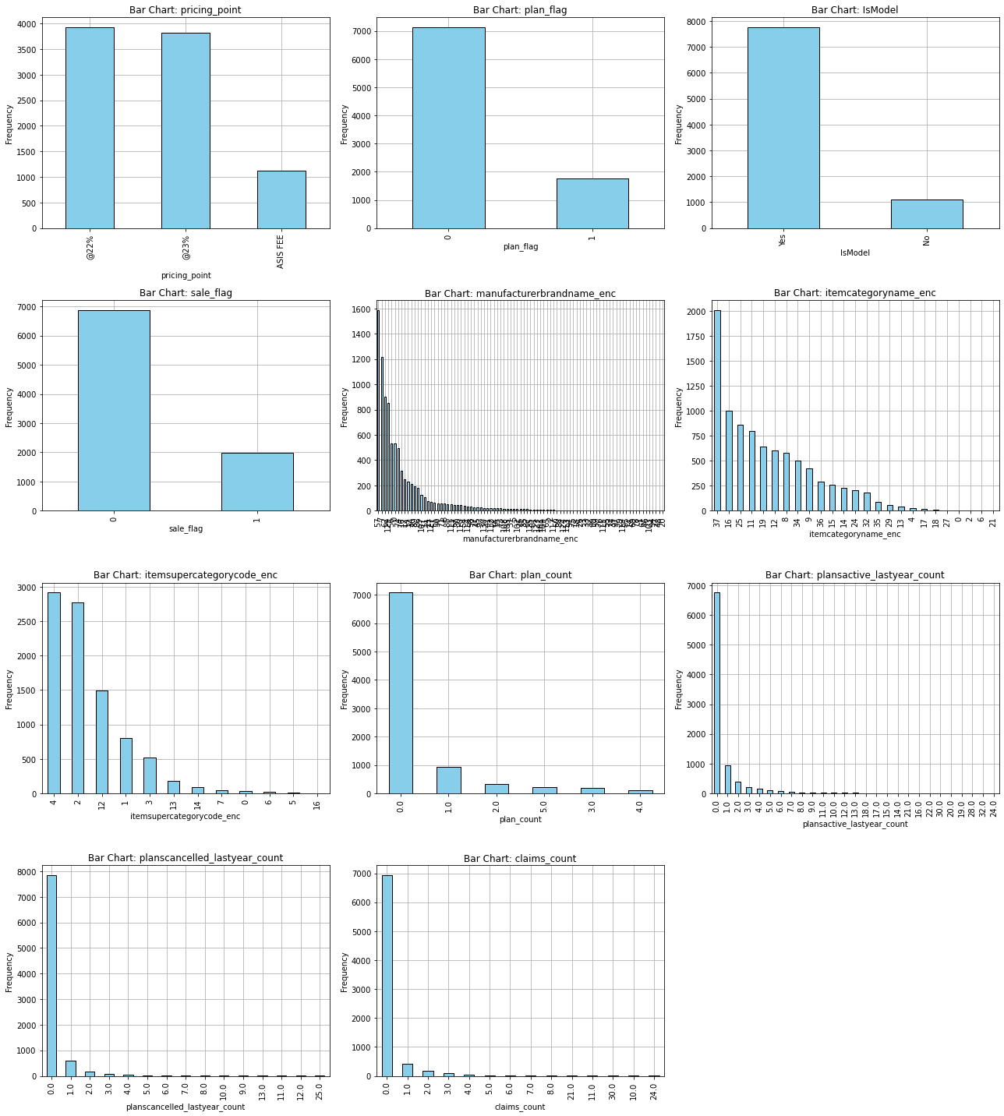
 |  | Temporal Analysis | ploted offered_premium count and sale_flag count with offered and sold premium mean with the offered dates to see how the data is temporally aligned. Key Insight: Missing Data on Specific Dates: There are entire rows of missing data for March 19 and April 17, 18, and 22. No offers were floated, and no orders were won on these dates, which is highly unlikely. This suggests that the data is missing from the source, and further attention is needed to address this issue during data sourcing. Offer and Sale Conversion Trends: Offer and sale conversions peak on Mondays and gradually decrease throughout the week, with the lowest activity observed on Saturdays and Sundays. | 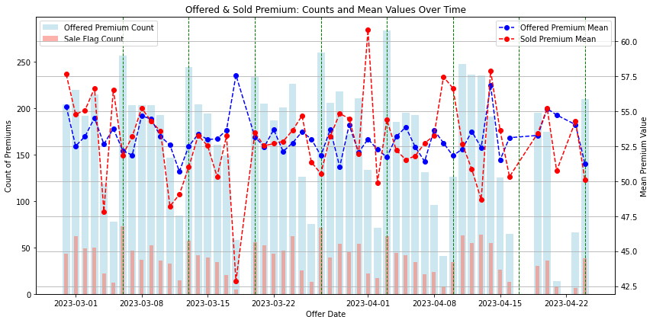

2.b Pricing Performance
Sl. No. | Title | Actions | Summary | Charts
2.b) | 2.b Pricing performance of all strategies b) Compare the pricing performance of all strategies in a summary table with: a. No of offers; b. Average base, offered and sold premium c. Average price increase d. Conversion e. How would you test (statistically) if they are different?
a, b, c, d | Pricing performance of all strategies | grouped the pricing_point to arrive the results | a. Number of offers: @22% has the most offers (3,923), followed by @23% (3,827), and ASIS FEE (1,117). b. Average base, offered, and sold premium: @22% has the highest offered (£55.21) and sold premium (£55.75), while ASIS FEE has the lowest. c. Average price increase: @22% has the highest average price increase (£0.12), while ASIS FEE has no increase. d. Conversion Rate: ASIS FEE has the highest conversion rate at 23.28%, followed by @23% (22.65%) and @22% (22.02%). Key Insights: # @22% results in the highest sold premium but has the lowest conversion rate. # ASIS FEE has the highest conversion rate, but its sold premium is lower compared to @22%. # @23% sits between the two in both conversion rate and sold premium.
e | Statistical Test | performing statistical test for pricing_point with the key attributes which indicated the conversion - mainly sale_flag and additionally performing with offered_premium and sold_premium 1. Chi-squared test with Cramer's V for effect size for pricing_point (cat) vs sale_flag (cat) 2. ANOVA with eta2 for offered_premium (cont) across pricing strategies (cat) 3. ANOVA with eta2 for sold_premium (cont) across pricing strategies (cat) (where sale_flag == 1) | 1. chi-squared results: The p-value is much greater than 0.05, indicating no significant association between pricing_point and sale_flag. Additionally, Cramér's V (0.0105) suggests a very weak association between the two variables 2. ANOVA results (offered_premium): The p-value is extremely small, indicating a statistically significant difference in offered_premium across different pricing_point strategies. However, the eta-squared value (0.0176) suggests that the effect size is small—only about 1.76% of the variance in offered_premium is explained by the pricing_point. (Visual representation is attached in the side with boxplots of offered_premium with pricing_points) 3. ANOVA results (sold_premium): the p-value is extremely small, showing a significant difference in sold_premium across pricing strategies. The eta-squared value (0.0255) suggests a small effect size, with around 2.55% of the variance in sold_premium explained by pricing_point. (Visual representation is attached in the side with boxplots of offered_premium with pricing_points) Overall Summary: • There is no significant association between pricing strategy and whether a sale happens. • While there are significant differences in the offered and sold premiums across pricing strategies, the effect sizes (η²) are small, meaning that the pricing strategy explains only a small portion of the variance in premiums. | 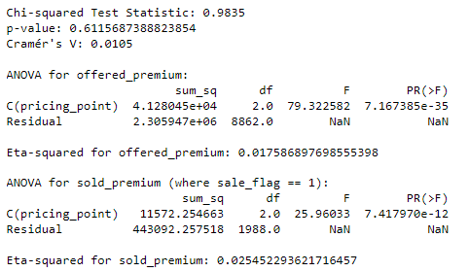 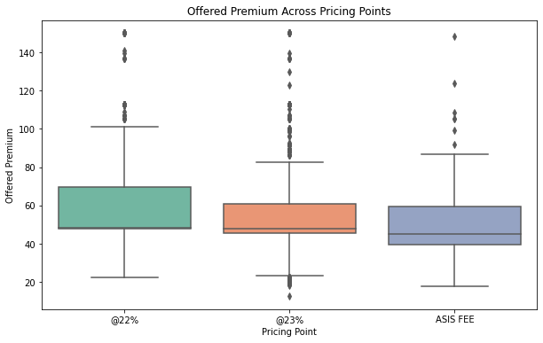 | 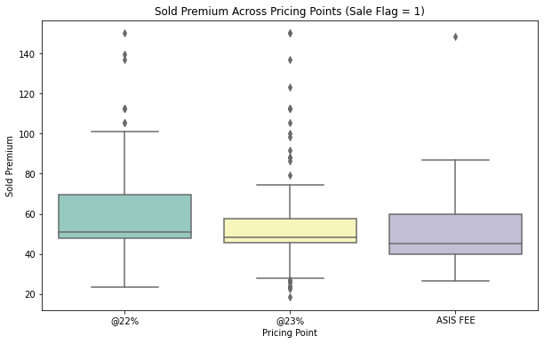
 |  |  | Limitations of ANOVA - is constrained by assumptions of normality and homogeneity of variance and can only test for differences in group means. It also requires post-hoc tests to identify specific group differences and is sensitive to outliers
e.1 | Statistical Test | because of ANOVAs limitations performed Kruskal-Wallis Test which works on ranking /median with epsilon2 for effect size. 1. Perform Kruskal-Wallis test for offered_premium 2. Perform Kruskal-Wallis test for sold_premium (where sale_flag == 1) | 1. Kruskal-Wallis (offered_premium): The p-value is extremely small, indicating a statistically significant difference in the distribution of offered_premium across the pricing strategies. However, the effect size (ε² = 0.0210) suggests a small effect, meaning that while the differences are significant, the practical difference between the pricing strategies is limited. 2. Kruskal-Wallis (sold_premium): The p-value is again extremely small, showing a significant difference in the sold_premium distributions across pricing strategies for successful sales. The effect size (ε² = 0.0300) indicates a small effect, meaning the difference between the strategies is statistically significant but has a modest practical impact. Summary: While the differences in offered_premium and sold_premium are statistically significant, the small effect sizes suggest that the pricing strategies explain only a small portion of the variability in premiums.

2.c Pricing Elasticity
Sl. No. | Title | Actions | Summary | Charts
2.C | Price Elasticity Compare the price elasticity of the strategies in the dataset: Price elasticity Δconversion/Δprice= (((〖% conversion〗_(price point)-〖% conversion〗_(asis )))/〖% conversion〗_(asis ) )/(((〖£ avg premium〗_(price point)-〖£ avg premium〗_(asis )))/〖£ avg premium〗_(asis ) ) Note: this will give you the elasticity of one group versus other, would you be able to calculate the elasticity within a group?
part 1 | Price Elasticity with different groups | created a summary table by grouping the pricing_point and calculated the price elastiity of @22 and @23 against ASIS FEE. | 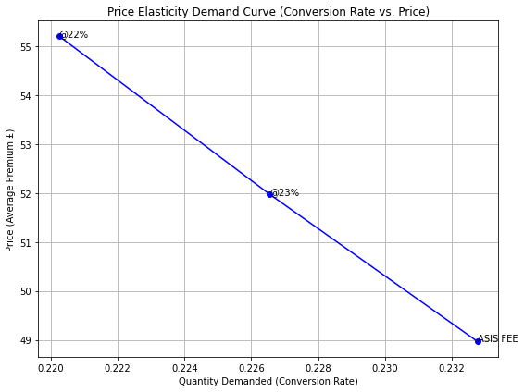 1. Price Elasticity @22%: The price elasticity is -0.421984. This indicates that for every 1% increase in price, the conversion rate decreases by approximately 0.42%. This shows that demand is relatively inelastic, meaning customers are not highly sensitive to price changes at this pricing point. 2. Price Elasticity @23%: The price elasticity is -0.434734, meaning for a 1% increase in price, the conversion rate decreases by about 0.43%. Similar to @22%, the demand is also relatively inelastic, showing moderate sensitivity to price changes. 3. ASIS FEE: Since this is the baseline strategy, its price elasticity is not calculated. Key Insights: • Both @22% and @23% pricing strategies exhibit inelastic demand. This means that the change in conversion rate is smaller relative to the change in price. • The negative elasticities suggest that, as expected, increasing the price results in a decrease in conversion rates. However, the magnitude of the decrease is not large, indicating that customers are not highly price-sensitive under these strategies.
 |  |  | Final Interpretation: The inelastic demand for both pricing strategies suggests that the company can afford to implement small price increases without drastically impacting the conversion rate. This provides flexibility in setting pricing strategies, as moderate price increases might not severely affect sales volume.
part 2 | Price Elasticity within pricing_point groups (would you be able to calculate the elasticity within a group?) | Yes, split the pricing_point (say @22) into subgroups (say 3 groups) based on the offered_premium (low, medium and high) # we can fix the lower one as baseline and find the price elasticity of medium and high with respect to low, which gives us a view within the group how conversion is behaving with price. | # Tried for @22 pricing point its successful, and extended the analysis to the other groups to see how they are. Proceed further for compiled results of price elasticity within the group for all three pricing_points individually.
 |  | Pricing Point: @22% | Medium vs low offered_premium Group: The price elasticity of 1.26 indicates that demand is elastic. For a 1% change in price, the conversion rate changes by approximately 1.26%. This suggests that the medium-priced group is quite sensitive to price changes with respect to low group in terms of conversion. High vs low Premium Group: The price elasticity of 0.21 shows inelastic demand. A 1% change in price results in only a 0.21% change in conversion rate, suggesting the high-priced group is less sensitive to price changes compared to the medium group.
 |  | Pricing Point: @23% | Medium vs low offered_premium Group: The price elasticity of -0.63 indicates inelastic demand, meaning a 1% change in price leads to only a 0.63% change in conversion rate. The negative elasticity suggests that the medium-priced group sees less of a drop in demand compared to the price increase. High vs low Premium Group: The price elasticity of -0.14 is even lower, indicating very inelastic demand. A 1% change in price leads to just a 0.14% change in conversion rate, meaning the high-priced group is not very sensitive to price changes. | 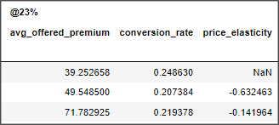
 |  | pricing point: ASIS FEE | Medium vs low offered_premium Group: The price elasticity of 0.04 suggests highly inelastic demand for the medium group. A 1% increase in price results in only a 0.04% change in conversion rate, meaning that customers in this group are very price-insensitive. High vs low Premium Group: The price elasticity of 0.16 indicates inelastic demand, where a 1% change in price results in only a 0.16% change in conversion rate. The high-priced group is less sensitive to price changes. | 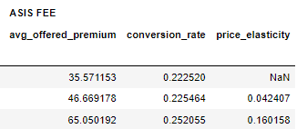
 |  |  | Overall Insights: •Price Elasticity: # @22% has the most elastic demand in the medium group (elasticity = 1.26), meaning the demand is highly sensitive to price changes in this group. # @23% and ASIS FEE show generally inelastic demand across all groups, particularly the high and medium groups, meaning these pricing strategies are less sensitive to changes in price. • Inelastic Demand: # The high-premium groups for all pricing points have inelastic demand, with price elasticities of 0.21 (@22%), -0.14 (@23%), and 0.16 (ASIS FEE). This suggests that customers in the high-premium category are willing to accept higher prices without significantly reducing their conversion rates. • Sensitivity Across Groups: # The medium-premium group under @22% is notably more price-sensitive than the other pricing points, indicating that small price increases may cause larger drops in conversion rates for this group. • Pricing Implications: # The company can afford to increase prices in the high-premium groups without substantially losing conversions, especially under ASIS FEE and @23%. # @22% might require more careful pricing strategy, as the medium group is very sensitive to price increases. | 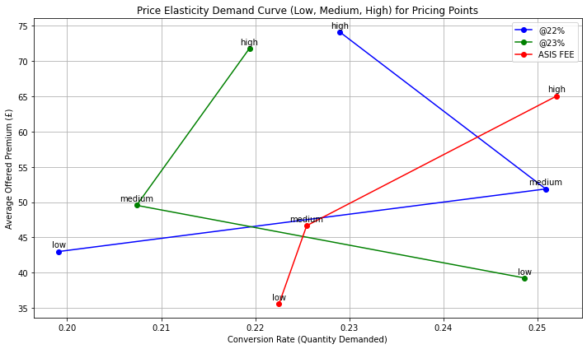
 |  |  | Conclusion: • @22% shows significant price sensitivity in its medium group, while @23% and ASIS FEE demonstrate more stable demand across price changes, especially in the high-premium group. • This suggests different pricing strategies for each point: @22% needs a more conservative approach, whereas ASIS FEE and @23% can tolerate higher price increases with minimal impact on conversion.

2.e Conversion vs Claim
Sl. No. | Title | Actions | Summary | Charts
2.e | 2.E Conversion vs Claims e) Claims frequency and value are provided, is there any direct relationship between conver-sion and claims? a. Would you say these models are biased?
e | Conversion vs claims - is there any direct relationship | correlation analysis | The correlation between sale_flag (actual conversion) and claims count is 0.17, and with claim amount is 0.10, showing a similarly weak connection. These weak correlations suggest that the models are not heavily influenced by claims history.
 |  | Before proceeding with the analysis, we need to determine how much data we have imputed for claims_count and claim_amount (with approximately 13% missing). Additionally, we need to check whether the missing data is predominantly in cases where sale_flag is 0 or 1. Let's investigate this. | For the not sold (sale_flag = 0) group: 5.95% have 1+ claims. 11.13% of records are missing claims_count and will require imputation. For the sold (sale_flag = 1) group: A larger portion, 19.29%, have missing claims_count, and this will also require imputation. 19.04% of records in the sold group have 1+ claims, which is higher than the non-sold group. Caution: The proportion of missing claims_count is significantly higher in the sold group (19.29%) compared to the non-sold group (11.13%). Its was imputed with a logic as mentioned in the pre-processing slide, but it's important to highlight.
 | claims_count vs conversions | Here is the distribution of claims over sale_flag after imputation | 1. The fact that 502 customers with 1+ claims did not convert and 472 customers with 1+ claims did convert. It shows that having a claim does not necessarily guarantee conversion, and in this case, a slightly higher number of customers with claims did not convert compared to those who did. 2. The majority of conversions (76.29%) occurred among customers with 0 claims, meaning that customers without prior claims were still more likely to convert overall. Conclusion: There seems to be no strong direct relationship between having 1 or more claims and conversion. A significant number of customers with claims did not convert (502), and a notable portion of customers without claims did convert. This suggests that factors beyond claims experience, such as pricing, satisfaction, or product value, might play a bigger role in driving conversions. | 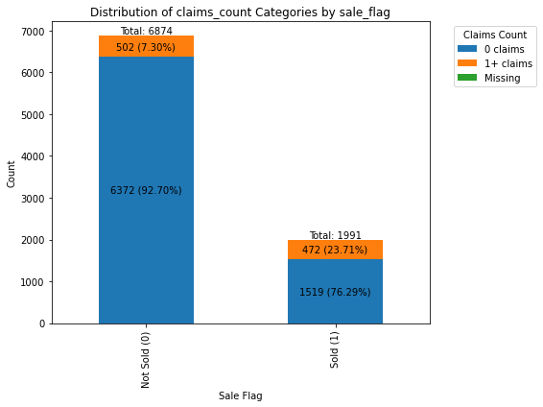
 | claim_amount vs conversions | And I have seen is ther other perspective from total sum of claims_count. | 1. The total sum of claims_count of sold vs non-sold group hasn't supported the hypothesis of having relationship. 2. The claim_amount: The claim amount for the not converted group is approximately 10.8% higher than for the converted group. This shows a moderate difference, indicating that the not converted group has somewhat higher total claim amounts compared to those who converted. | 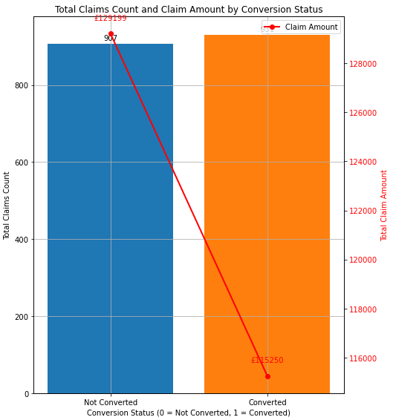
2.e.a | a. Would you say these models are biased? |  | No, these models are not biased with the claims data. With the above supporting points and while comparing the avg.offer_premium of with claims and without claims the group with the frequent / more claims are supposed to have a higher premium, but that is not the case. There reason for that could be, influcence of other variables like, age, purchase_price, brand, item, etc. So, I tried elimiating 2 layers by filtering the largest group of item category and largest group of brand and the results are in the figure right side, Where avg_offered_premium is almost same (~65 to 69) for all the claim_counts.

